Gr1
 | Unconditional commitments | Conditional and unconditional commitments
INDC 2016 | 14.10% | 8.80%
NDC 2022 | 3.10% | -3.60%

Gr2
 | France | European Union | Germany | Spain | Poland | Italy | Netherlands
1965 | 3.8% | 3.9% | 1.0% | 0.0% | 2.2% | 7.9% | 3.6%
1966 | 3.9% | 4.3% | 1.3% | 0.0% | 2.6% | 8.0% | 6.5%
1967 | 4.2% | 4.9% | 1.6% | 0.0% | 3.1% | 8.1% | 10.8%
1968 | 4.8% | 5.8% | 2.5% | 0.0% | 3.9% | 8.8% | 16.2%
1969 | 5.1% | 6.8% | 3.3% | 0.2% | 5.1% | 8.9% | 21.4%
1970 | 5.3% | 7.6% | 4.4% | 0.1% | 6.1% | 8.7% | 26.7%
1971 | 6.0% | 8.7% | 5.8% | 0.7% | 6.5% | 8.6% | 33.1%
1972 | 6.7% | 9.8% | 7.2% | 1.9% | 6.5% | 9.4% | 37.1%
1973 | 7.2% | 10.7% | 8.8% | 1.6% | 6.6% | 10.1% | 38.8%
1974 | 7.7% | 12.1% | 11.2% | 2.0% | 6.6% | 11.3% | 43.5%
1975 | 9.1% | 13.1% | 12.4% | 2.0% | 6.6% | 13.3% | 45.0%
1976 | 9.2% | 13.4% | 12.3% | 2.1% | 6.6% | 15.3% | 42.8%
1977 | 9.4% | 13.8% | 13.0% | 2.0% | 6.8% | 15.6% | 43.8%
1978 | 9.6% | 13.8% | 13.5% | 2.0% | 6.8% | 15.0% | 43.0%
1979 | 10.4% | 13.9% | 14.1% | 1.8% | 7.0% | 14.9% | 41.4%
1980 | 10.9% | 14.1% | 14.4% | 2.3% | 6.8% | 15.2% | 40.4%
1981 | 11.2% | 14.3% | 14.2% | 2.6% | 7.1% | 15.1% | 40.5%
1982 | 11.2% | 14.2% | 13.7% | 2.8% | 7.0% | 15.3% | 41.9%
1983 | 11.6% | 14.7% | 14.0% | 3.0% | 7.1% | 16.1% | 44.6%
1984 | 11.5% | 15.0% | 14.1% | 2.4% | 7.1% | 18.7% | 45.6%
1985 | 11.9% | 15.0% | 13.6% | 2.6% | 7.1% | 19.0% | 46.6%
1986 | 11.6% | 15.0% | 13.6% | 3.0% | 7.3% | 19.6% | 44.3%
1987 | 11.6% | 15.4% | 14.6% | 3.1% | 7.3% | 21.1% | 44.8%
1988 | 11.4% | 15.3% | 14.4% | 3.8% | 7.4% | 22.4% | 40.3%
1989 | 11.0% | 15.8% | 14.9% | 4.7% | 7.5% | 23.5% | 41.2%
1990 | 11.4% | 16.7% | 15.2% | 5.4% | 8.6% | 24.5% | 40.4%
1991 | 11.7% | 17.1% | 16.4% | 5.9% | 8.2% | 25.2% | 44.3%
1992 | 11.6% | 16.9% | 16.5% | 5.9% | 8.0% | 25.1% | 42.6%
1993 | 11.9% | 17.4% | 17.5% | 6.0% | 8.4% | 26.2% | 43.4%
1994 | 11.5% | 17.2% | 18.0% | 6.2% | 8.8% | 25.3% | 42.4%
1995 | 11.9% | 18.2% | 19.6% | 7.4% | 9.4% | 26.8% | 41.9%
1996 | 12.7% | 19.2% | 21.2% | 7.9% | 9.4% | 27.7% | 44.5%
1997 | 12.4% | 18.7% | 20.5% | 9.8% | 9.5% | 28.2% | 42.4%
1998 | 12.9% | 19.1% | 20.9% | 9.6% | 10.0% | 29.7% | 41.6%
1999 | 12.9% | 19.6% | 21.1% | 10.7% | 10.0% | 31.4% | 41.1%
2000 | 13.4% | 19.9% | 20.8% | 11.6% | 11.4% | 32.3% | 40.7%
2001 | 13.9% | 20.2% | 21.5% | 11.9% | 11.9% | 32.4% | 40.0%
2002 | 14.0% | 20.5% | 21.8% | 13.5% | 11.8% | 32.4% | 39.6%
2003 | 14.5% | 21.2% | 22.0% | 14.5% | 12.7% | 34.7% | 39.6%
2004 | 14.7% | 21.5% | 22.2% | 16.5% | 13.3% | 35.2% | 39.2%
2005 | 15.1% | 22.2% | 22.8% | 19.5% | 13.4% | 37.6% | 37.3%
2006 | 14.7% | 22.0% | 22.6% | 20.1% | 12.9% | 37.0% | 36.5%
2007 | 14.6% | 21.9% | 22.8% | 20.0% | 12.9% | 37.9% | 35.0%
2008 | 15.1% | 22.4% | 22.7% | 22.6% | 13.8% | 38.3% | 36.9%
2009 | 15.4% | 22.3% | 22.9% | 21.8% | 13.8% | 37.7% | 38.3%
2010 | 16.5% | 23.1% | 22.9% | 21.2% | 13.9% | 38.9% | 40.9%
2011 | 14.9% | 21.9% | 21.8% | 20.1% | 14.0% | 37.1% | 37.4%
2012 | 15.4% | 21.8% | 21.6% | 19.9% | 15.3% | 36.7% | 37.1%
2013 | 15.5% | 21.5% | 22.0% | 19.1% | 15.2% | 35.9% | 38.1%
2014 | 13.6% | 19.7% | 19.9% | 17.7% | 15.5% | 33.5% | 35.6%
...

Gr3
Photovoltaic panels | 75%
Batteries | 75%
Wind turbines | 58%
Electrolysers | 41%
Heat pumps | 39%

Gr4
 | Biomass | Coal | Oil | Gas | Nuclear | Hydropower | Solar | Wind | Other renewables and biofuels
1800 | 98.3% | 1.7% | 0.0% | 0.0% | 0.0% | 0.0% | 0.0% | 0.0% | 0.0%
1810 | 97.9% | 2.1% | 0.0% | 0.0% | 0.0% | 0.0% | 0.0% | 0.0% | 0.0%
1820 | 97.6% | 2.4% | 0.0% | 0.0% | 0.0% | 0.0% | 0.0% | 0.0% | 0.0%
1830 | 96.0% | 4.0% | 0.0% | 0.0% | 0.0% | 0.0% | 0.0% | 0.0% | 0.0%
1840 | 95.1% | 4.9% | 0.0% | 0.0% | 0.0% | 0.0% | 0.0% | 0.0% | 0.0%
1850 | 92.7% | 7.3% | 0.0% | 0.0% | 0.0% | 0.0% | 0.0% | 0.0% | 0.0%
1860 | 86.7% | 13.3% | 0.0% | 0.0% | 0.0% | 0.0% | 0.0% | 0.0% | 0.0%
1870 | 80.8% | 19.1% | 0.1% | 0.0% | 0.0% | 0.0% | 0.0% | 0.0% | 0.0%
1880 | 72.9% | 26.7% | 0.3% | 0.0% | 0.0% | 0.0% | 0.0% | 0.0% | 0.0%
1890 | 62.4% | 36.1% | 0.8% | 0.3% | 0.0% | 0.4% | 0.0% | 0.0% | 0.0%
1900 | 50.4% | 47.2% | 1.5% | 0.5% | 0.0% | 0.4% | 0.0% | 0.0% | 0.0%
1910 | 40.8% | 55.2% | 2.5% | 0.9% | 0.0% | 0.6% | 0.0% | 0.0% | 0.0%
1920 | 38.4% | 54.4% | 4.9% | 1.3% | 0.0% | 1.0% | 0.0% | 0.0% | 0.0%
1930 | 36.0% | 50.4% | 8.7% | 3.0% | 0.0% | 1.8% | 0.0% | 0.0% | 0.0%
1940 | 31.6% | 50.7% | 11.6% | 3.8% | 0.0% | 2.3% | 0.0% | 0.0% | 0.0%
1950 | 26.3% | 44.1% | 19.1% | 7.3% | 0.0% | 3.2% | 0.0% | 0.0% | 0.0%
1960 | 21.3% | 36.9% | 26.5% | 10.7% | 0.0% | 4.6% | 0.0% | 0.0% | 0.0%
1965 | 17.5% | 30.8% | 34.3% | 12.0% | 0.1% | 5.2% | 0.0% | 0.0% | 0.1%
1966 | 16.8% | 29.8% | 35.3% | 12.5% | 0.2% | 5.3% | 0.0% | 0.0% | 0.1%
1967 | 16.4% | 28.4% | 36.6% | 13.0% | 0.2% | 5.3% | 0.0% | 0.0% | 0.1%
1968 | 15.7% | 27.4% | 37.8% | 13.5% | 0.2% | 5.3% | 0.0% | 0.0% | 0.1%
1969 | 14.9% | 26.7% | 38.7% | 14.0% | 0.3% | 5.3% | 0.0% | 0.0% | 0.1%
1970 | 14.2% | 25.7% | 39.9% | 14.5% | 0.3% | 5.2% | 0.0% | 0.0% | 0.1%
1971 | 13.8% | 24.7% | 40.7% | 15.0% | 0.5% | 5.3% | 0.0% | 0.0% | 0.1%
1972 | 13.3% | 23.8% | 41.8% | 15.1% | 0.6% | 5.3% | 0.0% | 0.0% | 0.1%
1973 | 12.7% | 23.3% | 43.0% | 15.0% | 0.8% | 5.1% | 0.0% | 0.0% | 0.1%
1974 | 12.7% | 23.2% | 42.1% | 15.3% | 1.0% | 5.6% | 0.0% | 0.0% | 0.2%
1975 | 12.7% | 23.5% | 41.4% | 15.2% | 1.4% | 5.6% | 0.0% | 0.0% | 0.2%
1976 | 12.2% | 23.3% | 42.1% | 15.4% | 1.5% | 5.3% | 0.0% | 0.0% | 0.2%
1977 | 11.9% | 23.2% | 42.2% | 15.4% | 1.8% | 5.3% | 0.0% | 0.0% | 0.2%
1978 | 11.5% | 22.7% | 42.5% | 15.5% | 2.1% | 5.6% | 0.0% | 0.0% | 0.2%
1979 | 11.2% | 23.0% | 41.9% | 15.9% | 2.1% | 5.7% | 0.0% | 0.0% | 0.2%
1980 | 11.4% | 23.7% | 40.4% | 16.2% | 2.3% | 5.8% | 0.0% | 0.0% | 0.2%
1981 | 11.5% | 24.1% | 39.1% | 16.4% | 2.7% | 6.0% | 0.0% | 0.0% | 0.2%
1982 | 11.7% | 24.5% | 38.0% | 16.6% | 3.0% | 6.1% | 0.0% | 0.0% | 0.3%
1983 | 11.6% | 24.8% | 37.1% | 16.6% | 3.3% | 6.3% | 0.0% | 0.0% | 0.3%
1984 | 11.3% | 24.8% | 36.4% | 17.2% | 3.8% | 6.2% | 0.0% | 0.0% | 0.3%
1985 | 11.1% | 25.3% | 35.5% | 17.1% | 4.5% | 6.2% | 0.0% | 0.0% | 0.3%
1986 | 11.0% | 25.1% | 35.8% | 17.0% | 4.7% | 6.1% | 0.0% | 0.0% | 0.4%
1987 | 10.8% | 25.2% | 35.4% | 17.3% | 4.9% | 6.0% | 0.0% | 0.0% | 0.4%
1988 | 10.5% | 25.1% | 35.3% | 17.5% | 5.2% | 6.0% | 0.0% | 0.0% | 0.4%
1989 | 10.4% | 24.9% | 35.3% | 17.9% | 5.2% | 5.9% | 0.0% | 0.0% | 0.4%
1990 | 10.4% | 24.3% | 35.3% | 18.3% | 5.3% | 6.0% | 0.0% | 0.0% | 0.4%
1991 | 10.5% | 23.9% | 35.0% | 18.6% | 5.5% | 6.1% | 0.0% | 0.0% | 0.4%
1992 | 10.5% | 23.6% | 35.3% | 18.5% | 5.5% | 6.0% | 0.0% | 0.0% | 0.5%
1993 | 10.6% | 23.5% | 34.8% | 18.6% | 5.7% | 6.3% | 0.0% | 0.0% | 0.5%
1994 | 10.5% | 23.3% | 35.1% | 18.5% | 5.7% | 6.3% | 0.0% | 0.0% | 0.5%
1995 | 10.4% | 23.0% | 35.0% | 18.7% | 5.8% | 6.5% | 0.0% | 0.0% | 0.5%
1996 | 10.3% | 22.9% | 34.8% | 19.1% | 5.9% | 6.4% | 0.0% | 0.0% | 0.5%
1997 | 10.3% | 22.7% | 35.4% | 18.8% | 5.8% | 6.5% | 0.0% | 0.0% | 0.5%
...

Gr5
 | Bioenergy | Offshore wind | Onshore wind | Solar photovoltaic | Concentrated solar power
1983 |  |  | 0.33
1984 |  |  | 0.32
1985 |  |  | 0.30
1986 |  |  | 0.26
1987 |  |  | 0.26
1988 |  |  | 0.21
1989 |  |  | 0.20
1990 |  |  | 0.21
1991 |  |  | 0.20
1992 |  |  | 0.20
1993 |  |  | 0.21
1994 |  |  | 0.20
1995 |  |  | 0.21
1996 |  |  | 0.19
1997 |  |  | 0.16
1998 |  |  | 0.15
1999 |  |  | 0.15
2000 |  | 0.17 | 0.16
2001 |  | 0.16 | 0.14
2002 |  | 0.14 | 0.13
2003 |  | 0.13 | 0.12
2004 |  | 0.18 | 0.12
2005 |  | 0.15 | 0.11
2006 |  | 0.15 | 0.11
2007 |  | 0.21 | 0.10
2008 |  | 0.21 | 0.11
2009 |  | 0.19 | 0.11
2010 | 0.08 | 0.19 | 0.10 | 0.42 | 0.36
2011 | 0.06 | 0.20 | 0.10 | 0.31 | 0.35
2012 | 0.06 | 0.17 | 0.09 | 0.23 | 0.34
2013 | 0.08 | 0.17 | 0.09 | 0.18 | 0.25
2014 | 0.08 | 0.17 | 0.08 | 0.16 | 0.22
2015 | 0.07 | 0.14 | 0.07 | 0.12 | 0.22
2016 | 0.07 | 0.12 | 0.06 | 0.11 | 0.25
2017 | 0.07 | 0.11 | 0.06 | 0.08 | 0.21
2018 | 0.06 | 0.10 | 0.05 | 0.07 | 0.15
2019 | 0.06 | 0.09 | 0.04 | 0.06 | 0.21
2020 | 0.07 | 0.09 | 0.04 | 0.06 | 0.11
2021 | 0.07 | 0.08 | 0.03 | 0.05 | 0.11

Gr6
 | Real GDP | Carbon footprint
1995 | 100 | 100
1996 | 101.413 | 100
1997 | 103.7823 | 100
1998 | 107.5067 | 100
1999 | 111.1849 | 100
2000 | 115.5475 | 98.21
2001 | 117.8396 | 98.21
2002 | 119.1777 | 98.21
2003 | 120.1587 | 98.21
2004 | 123.5589 | 98.21
2005 | 125.6139 | 98.21
2006 | 128.6907 | 97.14
2007 | 131.8111 | 96.07
2008 | 132.1471 | 93.93
2009 | 128.3501 | 92.86
2010 | 130.8522 | 92.86
2011 | 133.7214 | 92.86
2012 | 134.1402 | 89.29
2013 | 134.9132 | 89.29
2014 | 136.2032 | 84.82
2015 | 137.7191 | 83.04
2016 | 139.2278 | 81.25
2017 | 142.418 | 84.82
2018 | 145.0742 | 82.14
2019 | 147.7479 | 82.14

Gr7
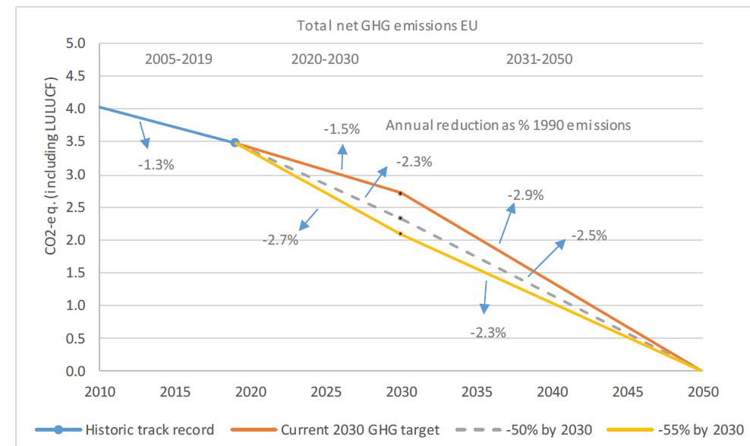

Gr9
 | Energy industry | Use of buildings and residential / tertiary activities | Transportation | Manufacturing and construction | Agriculture / forestry | International transport (excluding total) | National total excluding LULUCF
1991 | 79 | 102 | 127 | 155 | 91 | 17 | 571
2001 | 64 | 102 | 147 | 130 | 93 | 18 | 554
2011 | 61 | 88 | 139 | 92 | 86 | 17 | 483
2021 (e) | 44 | 75 | 126 | 78 | 81 | 14 | 418
2030 (projeté) | 29 | 30 | 77 | 48 | 67 | 14 | 265

Gr10
Electrification | 44%
Better performance from combustion engines | 12%
Shift to other modes of transport | 24%
Higher vehicle occupancy rates | 12%
Reduced mobility | 8%

Gr11
 | Forests | Meadows | Cultivated land | Artificialized areas | Dams | Wetlands | Wood products | Total LULUCF (national)
1990 | -38.556030718 | -13.718426119 | 23.157596727 | 9.8652900992 | 0 | 0.36559218063 | -5.1002122148 | -23.986190046
1991 | -38.480367205 | -13.980252408 | 23.094868642 | 9.7934194432 | 0 | 0.34754107754 | -4.8463906956 | -24.071181146
1992 | -38.023432507 | -14.204282117 | 23.148175929 | 9.7383711708 | 0 | 0.32912117933 | -2.9211674625 | -21.933213807
1993 | -42.07104656 | -14.391348825 | 23.225851302 | 9.7048055254 | 0 | 0.31033248602 | -1.7749800328 | -24.996386105
1994 | -43.098656554 | -13.970011219 | 23.127666731 | 10.209636472 | 3.4736666667 | 0.38674706645 | -2.6662107109 | -22.537161548
1995 | -43.826164986 | -14.813934788 | 22.602064528 | 10.054988852 | 3.915025 | 0.23122534344 | -3.0424782552 | -24.879274305
1996 | -50.537997076 | -14.3432688 | 22.89324218 | 9.8180435551 | 3.056938 | 0.3844521855 | -2.5384813357 | -31.267071291
1997 | -49.931285791 | -14.188418524 | 22.412567449 | 10.489265743 | 2.4177203333 | 0.42653780885 | -3.1556277918 | -31.529240772
1998 | -50.264491762 | -14.359885972 | 22.445378161 | 10.259088242 | 1.938457 | 0.26294776252 | -3.7210429296 | -33.439549499
1999 | -55.415910469 | -13.104547578 | 22.369246481 | 11.384940143 | 1.5765296667 | 0.32776385085 | -3.869902302 | -36.731880207
2000 | -32.802201954 | -14.228279372 | 21.03059395 | 9.8910057323 | 1.3010726667 | 0.23977030572 | -5.1411799323 | -19.709218603
2001 | -46.180869972 | -13.213272704 | 20.761785243 | 10.202770033 | 1.0896326667 | 0.44470349424 | -4.7615228465 | -31.656774087
2002 | -55.830928985 | -12.598109862 | 19.801032913 | 10.547962761 | 0.92589866667 | 0.22600192324 | -3.5991896336 | -40.527332217
2003 | -57.960305539 | -11.968472518 | 18.924126674 | 10.072682412 | 0.797854 | 0.19028059757 | -3.4428977167 | -43.386732091
2004 | -62.219371235 | -10.484803115 | 18.457235906 | 10.651677312 | 0.69681733333 | 0.36179806822 | -4.0934975824 | -46.630143313
2005 | -64.669094503 | -9.4077424065 | 18.379037808 | 11.346302121 | 0.61630966667 | 0.53564595574 | -4.1116425846 | -47.311183943
2006 | -68.292858661 | -8.4983128681 | 18.677651481 | 12.125591925 | 0.55154333333 | 0.70929109373 | -4.2734615954 | -49.000555291
2007 | -69.680556038 | -7.6578549869 | 19.314633651 | 12.771998827 | 0.49894433333 | 0.86417716672 | -4.4730357477 | -48.361692795
2008 | -71.913553175 | -8.1685321738 | 20.685421289 | 13.854171585 | 0.45590066667 | 0.34565470424 | -3.4124150164 | -48.15335212
2009 | -61.910864517 | -8.7895106928 | 20.062677136 | 13.45273271 | 0.42034033333 | 0.4912914268 | -1.3342940948 | -37.607627699
2010 | -58.463497293 | -9.6830302469 | 19.784843959 | 12.678535974 | 0.39077933333 | 0.36237774987 | -3.4250455542 | -38.355036078
2011 | -56.771671051 | -10.323705474 | 18.752861864 | 12.446306334 | 0.36601466667 | 0.52223250997 | -3.4494218346 | -38.457382985
2012 | -59.266648887 | -9.9523778666 | 17.343137228 | 12.33660119 | 0.34517233333 | 0.52199665474 | -2.3218470982 | -40.993966447
2013 | -62.245234013 | -9.6412260061 | 16.03613499 | 12.201550579 | 0.32752966667 | 0.52177259226 | -1.7914336699 | -44.590905861
2014 | -55.49693667 | -9.2270475971 | 15.251362827 | 11.996487114 | 0.31249333333 | 0.52155973291 | -1.7722981592 | -38.414379419
2015 | -51.96804639 | -8.9416038937 | 14.759662563 | 11.910552046 | 0.29965833333 | 0.52135751652 | -1.1589103814 | -34.577330206
2016 | -42.577560357 | -8.7140118861 | 14.058986836 | 11.75660973 | 0.28866766667 | 0.50515703461 | -0.88290714395 | -25.56505812
2017 | -33.110833067 | -8.5253231934 | 13.537641395 | 11.679384112 | 0.27923433333 | 0.50497453433 | -1.1078970457 | -16.742818932
2018 | -30.520630325 | -8.3226281929 | 13.234114476 | 11.655792617 | 0.27108966667 | 0.50480115905 | -0.91399244923 | -14.091453048
2019 | -29.07268239 | -8.24705741 | 13.485906544 | 11.544818695 | 0.26406466667 | 0.50463645254 | -0.76784586201 | -12.288159304
2020 | -30.42685224 | -8.3102349092 | 13.25641018 | 11.527153064 | 0.25799033333 | 0.50447998136 | -0.81443052748 | -14.005484118
2021 (e)* | -30.259014804 | -8.3102349092 | 13.25641018 | 11.527153064 | 0.25799033333 | 0.50447998136 | -0.81443052748 | -13.837646682

Gr12
Energy industry | 10%
Use of buildings and residential / tertiary activities | 29%
Transportation | 32%
Manufacturing and construction | 18%
Agriculture / forestry | 9%

Gr13
Invsetments in energy systems (based on EU emissions-reduction scenarios)

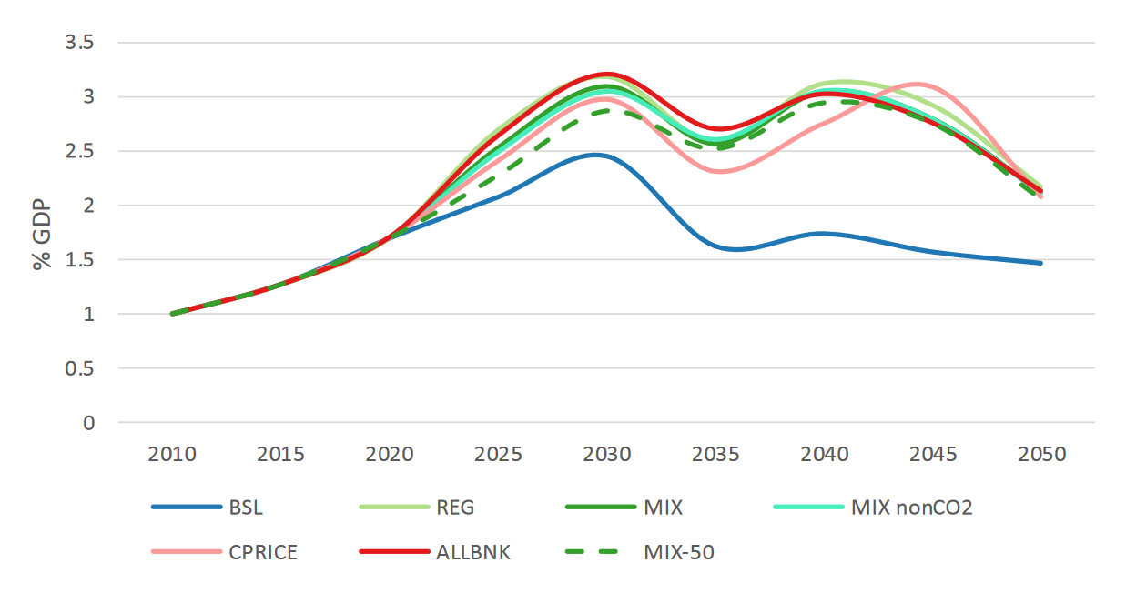

Source : https://eur-lex.europa.eu/legal-content/EN/TXT/?uri=CELEX%3A52020SC0176, figure 11, p.70

Gr14
Commercial buildings | 27
Housing | 22
Energy | 8
Transport | 3
Industry | 2
Agriculture | 2

GR15a
 | Trade balance gap (X-M) (GDP pp) | GDP (%) | Household consumer price (%)
2023 | 0.0 | 0.0 | 0.0
2024 | 0.0 | 0.0 | 0.0
2025 | -0.1 | 0.0 | 0.0
2026 | -0.1 | 0.1 | 0.0
2027 | -0.1 | 0.1 | 0.0
2028 | -0.2 | 0.2 | 0.1
2029 | -0.2 | 0.2 | 0.1
2030 | -0.3 | 0.3 | 0.1
2031 | -0.3 | 0.3 | 0.2
2032 | -0.4 | 0.3 | 0.3
2033 | -0.4 | 0.4 | 0.4
2034 | -0.4 | 0.4 | 0.5
2035 | -0.3 | 0.4 | 0.6
2036 | -0.3 | 0.3 | 0.7
2037 | -0.3 | 0.3 | 0.9
2038 | -0.2 | 0.3 | 1.0
2039 | -0.2 | 0.2 | 1.1
2040 | -0.1 | 0.2 | 1.2

GR15b
 | Trade balance gap (X-M) (GDP pp) | GDP (%) | Household consumer price (%)
2023 | 0.0 | 0.0 | 0.0
2024 | 0.0 | 0.0 | 0.0
2025 | -0.1 | 0.0 | 0.0
2026 | -0.1 | 0.0 | 0.0
2027 | -0.1 | 0.1 | 0.0
2028 | -0.2 | 0.1 | 0.0
2029 | -0.2 | 0.1 | 0.0
2030 | -0.2 | 0.1 | 0.1
2031 | -0.3 | 0.1 | 0.1
2032 | -0.3 | 0.1 | 0.1
2033 | -0.3 | 0.1 | 0.2
2034 | -0.3 | 0.1 | 0.2
2035 | -0.3 | 0.1 | 0.3
2036 | -0.3 | 0.1 | 0.4
2037 | -0.2 | 0.1 | 0.4
2038 | -0.2 | 0.1 | 0.5
2039 | -0.2 | 0.0 | 0.5
2040 | -0.1 | 0.0 | 0.6

GR15c
 | Trade balance gap (X-M) (GDP pp) | GDP (%) | Household consumer price (%)
2023 | 0.0 | 0.0 | 0.0
2024 | 0.0 | 0.0 | 0.0
2025 | 0.0 | 0.0 | 0.0
2026 | -0.1 | 0.0 | 0.0
2027 | -0.1 | 0.0 | 0.0
2028 | -0.1 | 0.0 | 0.0
2029 | -0.2 | 0.0 | 0.0
2030 | -0.2 | 0.0 | 0.0
2031 | -0.2 | 0.0 | 0.0
2032 | -0.3 | 0.0 | 0.0
2033 | -0.3 | 0.0 | 0.0
2034 | -0.3 | 0.0 | 0.1
2035 | -0.3 | 0.0 | 0.1
2036 | -0.2 | 0.0 | 0.1
2037 | -0.2 | 0.0 | 0.2
2038 | -0.2 | 0.0 | 0.2
2039 | -0.1 | -0.1 | 0.2
2040 | -0.1 | -0.1 | 0.3

GR15d
 | Trade balance gap (X-M) (GDP pp) | GDP (%) | Household consumer price (%)
2023 | 0.0 | 0.0 | 0.0
2024 | 0.0 | 0.0 | 0.0
2025 | -0.1 | 0.0 | 0.0
2026 | -0.1 | 0.0 | 0.0
2027 | -0.1 | 0.0 | 0.0
2028 | -0.2 | 0.1 | 0.0
2029 | -0.2 | 0.1 | 0.0
2030 | -0.3 | 0.1 | 0.0
2031 | -0.3 | 0.1 | -0.1
2032 | -0.4 | 0.1 | -0.1
2033 | -0.4 | 0.1 | -0.1
2034 | -0.4 | 0.1 | -0.1
2035 | -0.4 | 0.1 | 0.0
2036 | -0.4 | 0.1 | 0.0
2037 | -0.3 | 0.1 | 0.0
2038 | -0.3 | 0.0 | 0.0
2039 | -0.3 | 0.0 | 0.0
2040 | -0.2 | 0.0 | 0.0

GR16
 | Trade balance gap (X-M) (GDP pp) |  | Public balance gap (GDP pp) |  | GDP (%) |  | Household consumer price (%)
2022 | 0.0 | 2022 | 0.0 | 2023 | 0.0 | 2023 | 0.0
2023 | -0.1 | 2023 | -0.1 | 2024 | 0.0 | 2024 | 0.2
2024 | -0.1 | 2024 | -0.2 | 2025 | 0.0 | 2025 | 0.3
2025 | -0.1 | 2025 | -0.2 | 2026 | 0.0 | 2026 | 0.3
2026 | -0.1 | 2026 | -0.2 | 2027 | 0.0 | 2027 | 0.4
2027 | 0.0 | 2027 | -0.2 | 2028 | -0.1 | 2028 | 0.5
2028 | 0.0 | 2028 | -0.2 | 2029 | -0.1 | 2029 | 0.6
2029 | 0.0 | 2029 | -0.2 | 2030 | -0.1 | 2030 | 0.7
2030 | 0.1 | 2030 | -0.1 | 2031 | -0.1 | 2031 | 0.7
2031 | 0.1 | 2031 | -0.1 | 2032 | -0.1 | 2032 | 0.7
2032 | 0.1 | 2032 | 0.0 | 2033 | -0.1 | 2033 | 0.7
2033 | 0.1 | 2033 | 0.0 | 2034 | -0.1 | 2034 | 0.7
2034 | 0.1 | 2034 | 0.0 | 2035 | 0.0 | 2035 | 0.6
2035 | 0.1 | 2035 | 0.0 | 2036 | 0.0 | 2036 | 0.6
2036 | 0.0 | 2036 | 0.0 | 2037 | 0.0 | 2037 | 0.6
2037 | 0.0 | 2037 | 0.1 | 2038 | 0.0 | 2038 | 0.5
2038 | 0.0 | 2038 | 0.1 | 2039 | 0.0 | 2039 | 0.5
2039 | 0.0 | 2039 | 0.1 | 2040 | 0.0 | 2040 | 0.4
2040 |  | 2040

GR17
 | Trade balance gap (X-M) (GDP pp) |  | Public balance gap (GDP pp) |  | GDP (%) |  | Household consumer price (%)
2022 | 0.0 | 2022 | 0.0 | 2023 | 0.0 | 2023 | 0.0
2023 | -0.1 | 2023 | 0.1 | 2024 | 0.1 | 2024 | 0.3
2024 | -0.2 | 2024 | 0.1 | 2025 | 0.5 | 2025 | 0.6
2025 | -0.1 | 2025 | 0.1 | 2026 | 0.4 | 2026 | 0.8
2026 | -0.1 | 2026 | 0.1 | 2027 | 0.6 | 2027 | 1.1
2027 | -0.1 | 2027 | 0.1 | 2028 | 0.8 | 2028 | 1.5
2028 | -0.1 | 2028 | 0.1 | 2029 | 0.9 | 2029 | 1.9
2029 | -0.1 | 2029 | 0.0 | 2030 | 1.0 | 2030 | 2.4
2030 | 0.0 | 2030 | 0.1 | 2031 | 1.1 | 2031 | 2.9
2031 | -0.1 | 2031 | 0.2 | 2032 | 1.2 | 2032 | 3.3
2032 | -0.1 | 2032 | 0.2 | 2033 | 1.2 | 2033 | 3.8
2033 | -0.1 | 2033 | 0.2 | 2034 | 1.2 | 2034 | 4.4
2034 | 0.0 | 2034 | 0.2 | 2035 | 1.1 | 2035 | 4.9
2035 | 0.0 | 2035 | 0.2 | 2036 | 1.0 | 2036 | 5.3
2036 | 0.1 | 2036 | 0.3 | 2037 | 0.9 | 2037 | 5.7
2037 | 0.2 | 2037 | 0.3 | 2038 | 0.9 | 2038 | 6.1
2038 | 0.2 | 2038 | 0.4 | 2039 | 0.9 | 2039 | 6.4
2039 | 0.3 | 2039 | 0.5 | 2040 | 0.9 | 2040 | 6.7
2040 |  | 2040

GR18
 | Trade balance gap (X-M) (GDP pp) | Public balance gap (GDP pp) | GDP (%) | Household consumer price (%)
2023 | -0.1 | 0.1 | 0.1 | 0.3
2024 | -0.2 | 0.1 | 0.4 | 0.6
2025 | 0.0 | 0.1 | 0.3 | 0.9
2026 | 0.0 | 0.1 | 0.4 | 1.4
2027 | 0.1 | 0.1 | 0.4 | 1.9
2028 | 0.1 | 0.0 | 0.4 | 2.5
2029 | 0.2 | -0.1 | 0.3 | 3.3
2030 | 0.4 | -0.2 | 0.2 | 4.1
2031 | 0.3 | -0.2 | 0.1 | 4.9
2032 | 0.4 | -0.3 | -0.1 | 5.8
2033 | 0.5 | -0.4 | -0.2 | 6.7
2034 | 0.6 | -0.4 | -0.5 | 7.6
2035 | 0.7 | -0.5 | -0.7 | 8.5
2036 | 0.8 | -0.5 | -0.8 | 9.3
2037 | 1.0 | -0.4 | -1.0 | 10.1
2038 | 1.1 | -0.4 | -1.0 | 10.9
2039 | 1.2 | -0.3 | -1.1 | 11.6
2040 | 1.2 | -0.2 | -1.1 | 12.2

Gr19
 | 1 - Transport (direct emissions) | 2 - Transport (indirect emissions) | 3 - Residential (direct emissions) | 4 - Residential (indirect emissions) | 5 - Food | 6 - Consumption goods | 7 - Services | 8 - Public services emissions
1st Decile | 1261.64 | 986.72 | 842.45 | 400.84 | 3254.70 | 3901.04 | 1195.54 | 2855.95
2d Decile | 1654.23 | 1430.72 | 1302.55 | 504.10 | 3751.38 | 5102.67 | 1621.61 | 2855.95
3d Decile | 1832.82 | 1658.88 | 1484.12 | 534.06 | 3945.62 | 5305.29 | 1765.50 | 2855.95
4th Decile | 2086.72 | 2126.18 | 1570.41 | 562.39 | 4175.06 | 6082.67 | 2008.24 | 2855.95
5th Decile | 2468.35 | 2421.97 | 1577.28 | 569.60 | 4459.82 | 7735.24 | 2188.47 | 2855.95
6th Decile | 2962.11 | 3019.80 | 1710.91 | 595.05 | 4966.48 | 8307.57 | 2514.61 | 2855.95
7th Decile | 3057.27 | 3443.91 | 1602.15 | 612.35 | 5059.87 | 9248.78 | 2867.88 | 2855.95
8th Decile | 3417.13 | 3802.60 | 1484.28 | 627.42 | 5429.70 | 10174.16 | 3374.74 | 2855.95
9th Decile | 3657.55 | 4264.90 | 2119.21 | 717.21 | 5929.89 | 11408.35 | 3966.44 | 2855.95
10th Decile | 3778.62 | 5255.08 | 2658.28 | 942.39 | 6897.30 | 17892.71 | 5583.96 | 2855.95

Gr20
 | Emission par emploi
0.0% | 5.4%
0.4% | 14.3%
0.7% | 22.8%
0.8% | 24.1%
1.2% | 32.6%
2.1% | 43.8%
2.7% | 51.8%
3.3% | 56.4%
3.7% | 58.9%
3.7% | 59.3%
4.0% | 60.3%
4.0% | 60.5%
4.1% | 60.8%
7.2% | 67.5%
9.6% | 72.5%
12.1% | 76.4%
12.5% | 76.8%
14.0% | 78.4%
14.7% | 79.1%
15.0% | 79.4%
15.2% | 79.5%
15.9% | 80.0%
16.4% | 80.3%
23.3% | 84.0%
27.2% | 85.6%
28.3% | 86.1%
29.2% | 86.4%
30.5% | 86.8%
30.7% | 86.9%
30.9% | 87.0%
31.3% | 87.1%
32.0% | 87.3%
35.9% | 88.4%
36.7% | 88.6%
38.1% | 88.9%
38.4% | 89.0%
39.3% | 89.2%
48.6% | 91.4%
51.7% | 92.1%
52.2% | 92.2%
59.9% | 93.8%
60.1% | 93.8%
60.9% | 93.9%
61.6% | 94.1%
68.9% | 95.4%
69.4% | 95.5%
71.3% | 95.8%
72.5% | 96.0%
80.0% | 97.3%
87.6% | 98.5%
...

Gr21
 | Contribution de la hausse des dépenses d'investissement | Intérêts sur la dette | Contribution de la baisse des recettes liées à l'activité | Effet dénominateur | Dette
2023 | 0.0% | 0.0% | 0.0% | 0.0% | 0.0%
2024 | 1.0% | 0.0% | 0.0% | 0.0% | 1.0%
2025 | 1.9% | 0.0% | 0.1% | 0.1% | 2.1%
2026 | 2.8% | 0.0% | 0.2% | 0.2% | 3.2%
2027 | 3.7% | 0.1% | 0.3% | 0.4% | 4.5%
2028 | 4.5% | 0.1% | 0.5% | 0.6% | 5.8%
2029 | 5.4% | 0.2% | 0.8% | 0.8% | 7.2%
2030 | 6.2% | 0.3% | 1.2% | 1.0% | 8.7%
2031 | 7.0% | 0.4% | 1.7% | 1.2% | 10.3%
2032 | 7.8% | 0.5% | 2.2% | 1.4% | 11.9%
2033 | 8.5% | 0.7% | 2.8% | 1.6% | 13.6%
2034 | 9.2% | 0.8% | 3.4% | 1.8% | 15.3%
2035 | 9.9% | 1.0% | 4.1% | 2.0% | 17.0%
2036 | 10.6% | 1.2% | 4.8% | 2.1% | 18.7%
2037 | 11.3% | 1.4% | 5.5% | 2.3% | 20.5%
2038 | 11.9% | 1.6% | 6.2% | 2.4% | 22.2%
2039 | 12.6% | 1.9% | 7.0% | 2.5% | 23.9%
2040 | 13.2% | 2.1% | 7.7% | 2.6% | 25.6%

Gr22
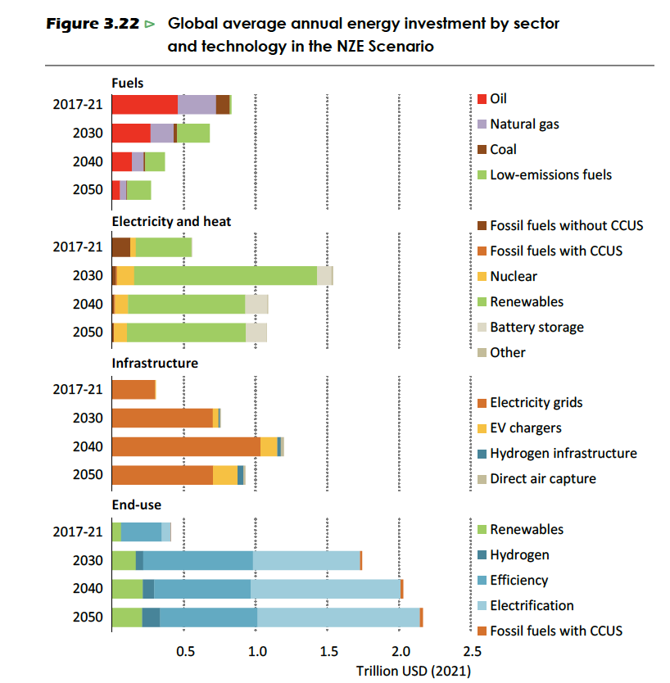

12-data
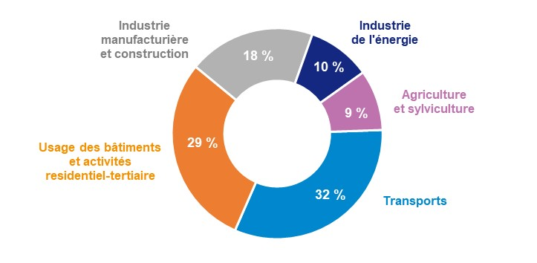
Energy industry | 10%
Use of buildings and residential / tertiary activities | 29%
Transportation | 32%
Manufacturing and construction | 18%
Agriculture / forestry | 9%

